Reverse Geocoding
Reverse Geocoding Using VBA & Google API

 | Example | Latitude | Longitude | Address | Type | Notes
 | 1 | 40.6256349 | 22.9497243 | Invalid API Key | Point of interest | The most known monument in Thessaloniki (the White Tower).
 | 2 | 40.6280021 | 22.9595429 | Invalid API Key | Full address | Mechanical Engineering Department (Aristotle University).
 | 3 | 40.9991376 | 22.028126 | Invalid API Key | Locality | My village, Sosandra, in Norther Greece.
 | 4 | 51.522792 | -0.154098 | Invalid API Key | Postal code | Madame Tussauds museum postal code.
 | 5 | 49.0096906 | 2.5479245 | Invalid API Key | Airport | Charles de Gaulle airport address.

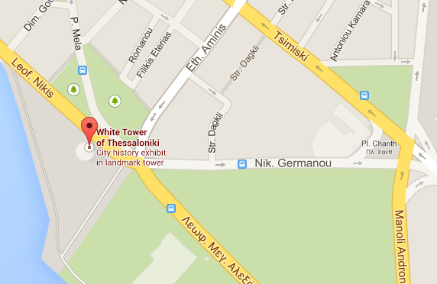

 |  |  |  |  |  | ALT + F11 to view the VBA code.

 |  |  |  |  |  | Reverse Geocoding Using VBA & Google API
 |  |  |  |  |  | © Christos Samaras
 |  |  |  |  |  | Mechanical Engineer
 |  |  |  |  |  | tel.: +306973513308
 |  |  |  |  |  | e-mail: xristos.samaras@gmail.com
 |  |  |  |  |  | site: https://www.myengineeringworld.net
 |  |  |  |  |  | Thessaloniki, Greece 17/03/2018

